Sheet1
@startuml
start
:Receive HTTP Request;
if (Parameter Validation Failed?) then (yes)
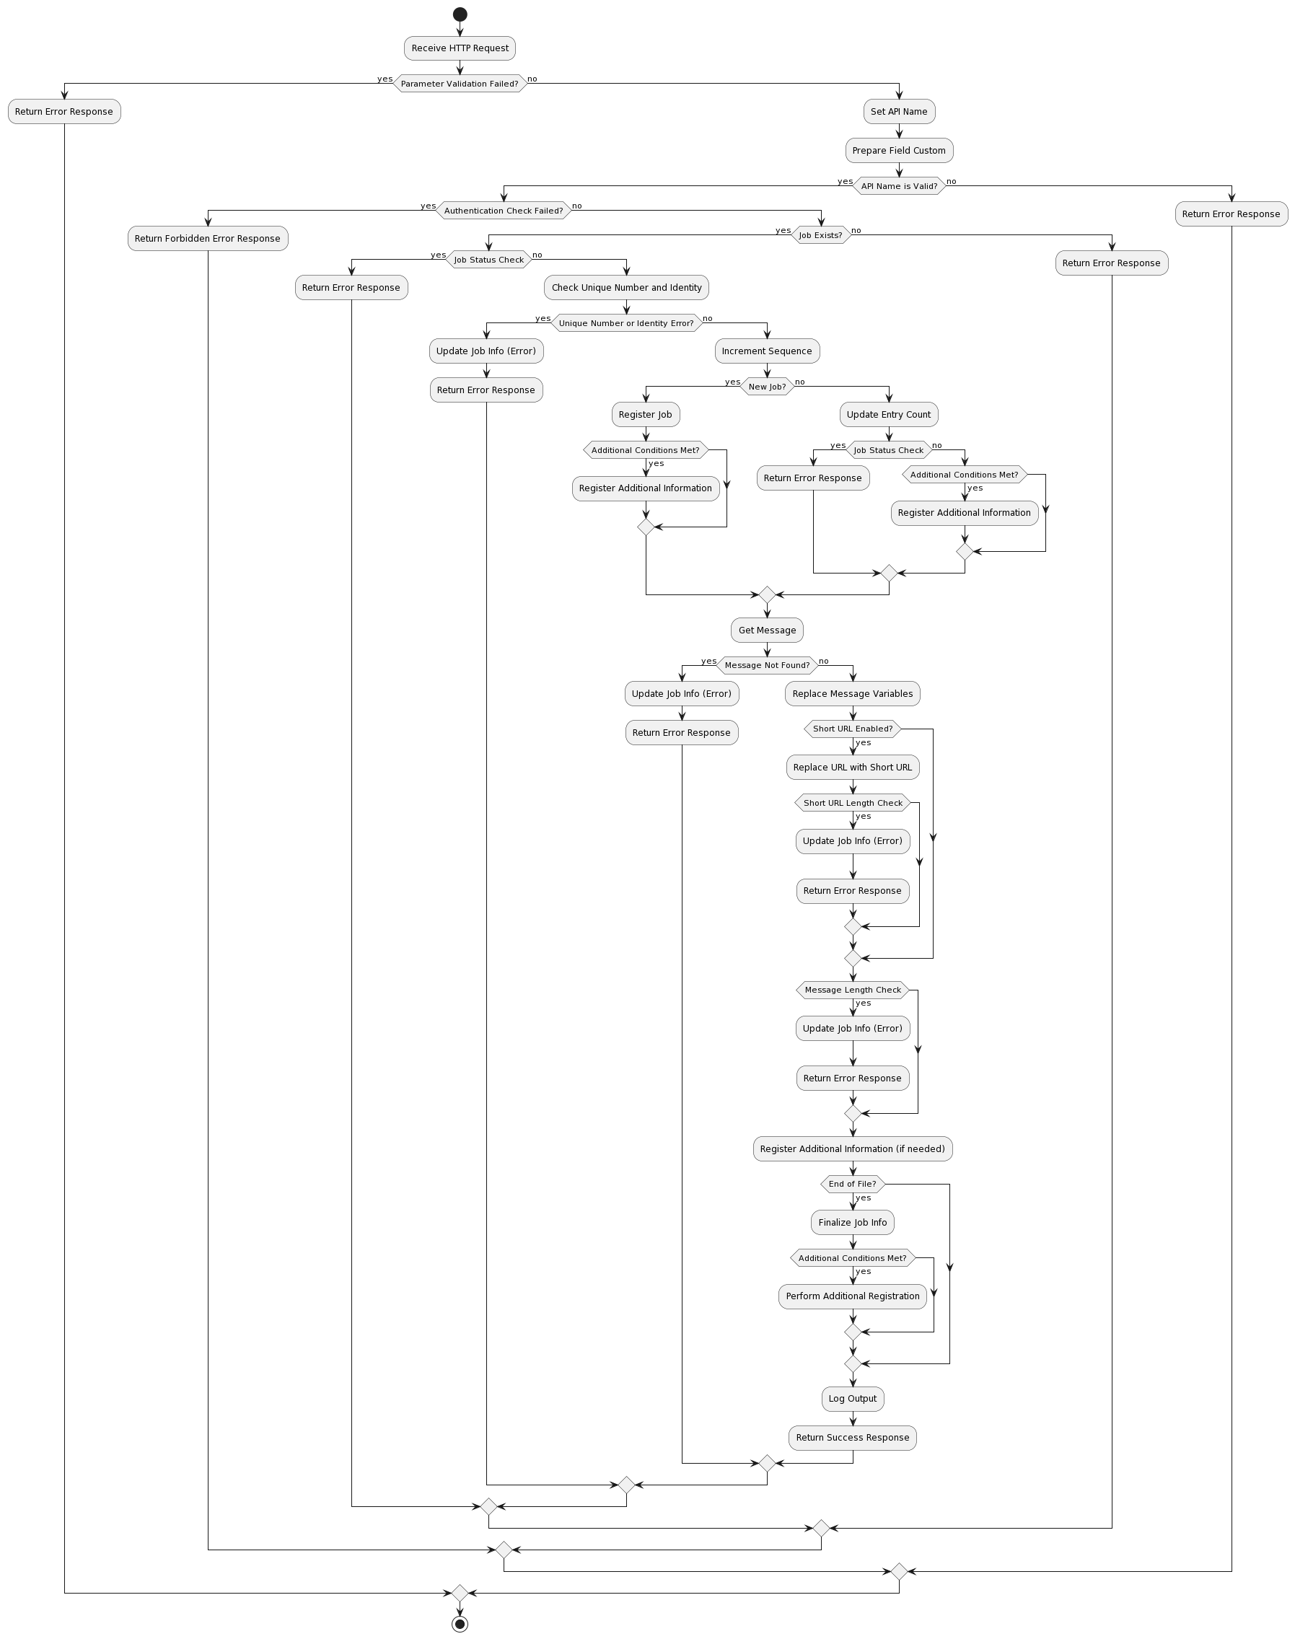
:Return Error Response;
else (no)
:Set API Name;
:Prepare Field Custom;
if (API Name is Valid?) then (yes)
if (Authentication Check Failed?) then (yes)
:Return Forbidden Error Response;
else (no)
if (Job Exists?) then (yes)
if (Job Status Check) then (yes)
:Return Error Response;
else (no)
:Check Unique Number and Identity;
if (Unique Number or Identity Error?) then (yes)
:Update Job Info (Error);
:Return Error Response;
else (no)
:Increment Sequence;
if (New Job?) then (yes)
:Register Job;
if (Additional Conditions Met?) then (yes)
:Register Additional Information;
endif
else (no)
:Update Entry Count;
if (Job Status Check) then (yes)
:Return Error Response;
else (no)
if (Additional Conditions Met?) then (yes)
:Register Additional Information;
endif
endif
endif
:Get Message;
if (Message Not Found?) then (yes)
:Update Job Info (Error);
:Return Error Response;
else (no)
:Replace Message Variables;
if (Short URL Enabled?) then (yes)
:Replace URL with Short URL;
if (Short URL Length Check) then (yes)
:Update Job Info (Error);
:Return Error Response;
endif
endif
if (Message Length Check) then (yes)
:Update Job Info (Error);
:Return Error Response;
endif
:Register Additional Information (if needed);
if (End of File?) then (yes)
:Finalize Job Info;
if (Additional Conditions Met?) then (yes)
:Perform Additional Registration;
endif
endif
:Log Output;
:Return Success Response;
endif
endif
endif
else (no)
:Return Error Response;
endif
endif
else (no)
:Return Error Response;
endif
endif
stop
@enduml

